Keywords
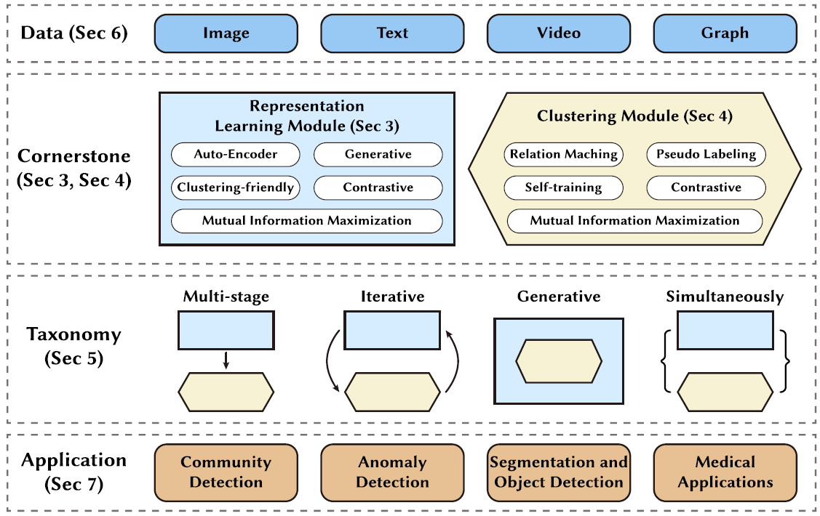
Keywords
Deep Clustering
Unsupervised Learning
Representational Learning
Document Clustering
Dicrimintative Representation
contrastive deep clustering
Autoencoders
Transformers
BERT
Natural Language Processing
Unsupervised Text Clustering

Representational Modules
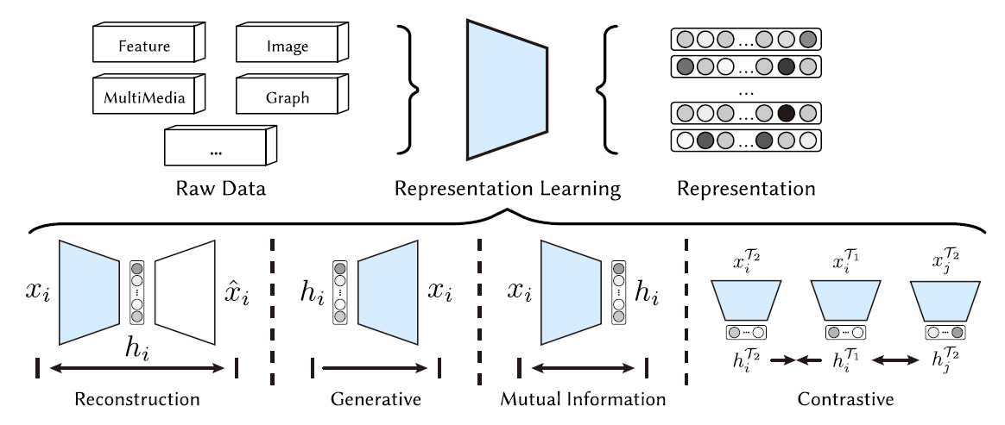
Representational Learning Modules | Description | Weakness
Auto-Encoder | Can be used as representational learning module that learn compact, informative latent features by reconstructing the input through a constrained bottleneck, forcing the model to preserve structure while discarding noise. | Learns representations on an individual instance basis, often overlooking the interconnections between different instances. Consequently, in the embedding space, instances may not be distinctly separated, leading to suboptimal clustering results.
Deep Generative | Deep generative representation learning uses models like VAEs and GANs to learn latent representations by modeling the data distribution, enabling flexible, interpretable, and generative embeddings. | Struggle to effectively incorporate clustering information during training, often relying on weak distributional assumptions (e.g., Gaussian mixtures) that fail for complex data.
Mutual Information Maximization | Mutual information maximization learns embeddings by enforcing high dependence between different views of the same data instances e.g., sentence–context, augmented sentences, or layer-wise representations, ensuring semantic consistency. | Focus on instance level similarity, so they often fail to explicitly model cluster semantic structure across different data instances.
Contrastive | Contrastive learning is one of the most popular unsupervised representation learning techniques in recent years. The basic idea is to pull a positive pair of instances close while pushing a negative pair of instances far away, which is also known as instance discrimination. | Relies heavily on quality positive/negative pairs and large batch sizes, and if negatives are poorly chosen, it can distort cluster structure or cause representation collapse.
Clustering Friendly | Explicitly optimizes embeddings to match specific clustering objectives e.g., K-means centroids or spectral orthogonality, directly improving clustering performance. | Method Specific, limiting generalization
Subspace | Maps data into low dimensional subspaces using the self-expressiveness assumption, where each instance is represented as a combination of others from the same subspace. | Computationally expensive and difficult to scale, especially for large datasets where subspace selection and assignment become complex.
Data Type Specific | Tailors architectures to images, text, videos, and graphs e.g., CNNs/ViTs, language models, spatiotemporal networks, GNNs to extract more suitable features for deep clustering. | Data dependent, requiring different models and design choices per modality

Clustering Modules
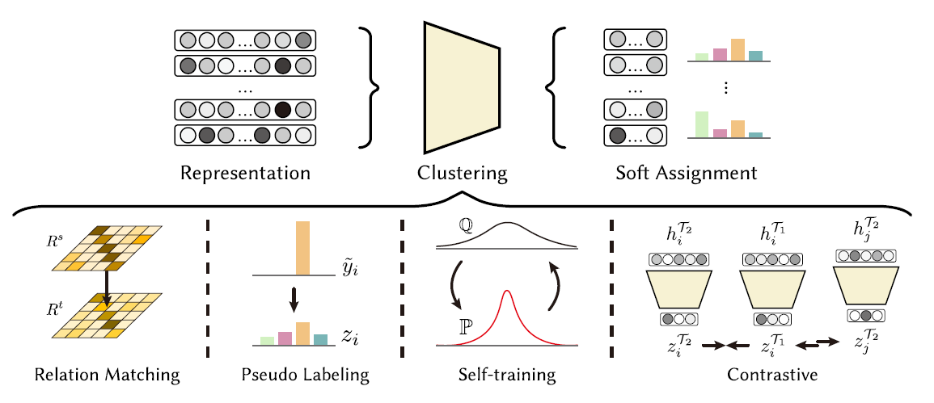
Clustering Modules | Description | Weakness
Relation Matching | links representation learning and clustering by aligning instance to cluster (I2C) and instance to instance (I2I) relationships in the embedding space. Use cosine similarity or euclidean distance. | Computationally expensive and sensitive to noisy relations
Pseudo Labeling | Pseudo labeling applies semi-supervised learning to deep clustering by generating confident pseudo labels and using them either to supervise individual instances or to enforce must-link / cannot-link relations in embedding space. | Its performance is highly sensitive to pseudo-label quality, which depends on model initialization and hyperparameters, making it unstable in fully unsupervised settings.
Self-Training | Self-training deep clustering refines cluster assignments by minimizing KL-divergence between predicted soft assignments and a sharpened auxiliary distribution, encouraging confident, near one-hot clustering. | It is sensitive to class imbalance and early incorrect assignments.
Contrastive | Contrastive deep clustering improves clustering by defining positives and negatives at the instance–instance, cluster–cluster, or instance–cluster level, using contrastive loss to make embeddings and clusters more discriminative and robust via data augmentation. | Its effectiveness depends on reliable cluster assignments/centroids and augmentations, which can be unstable in early training stages.

